Requirements
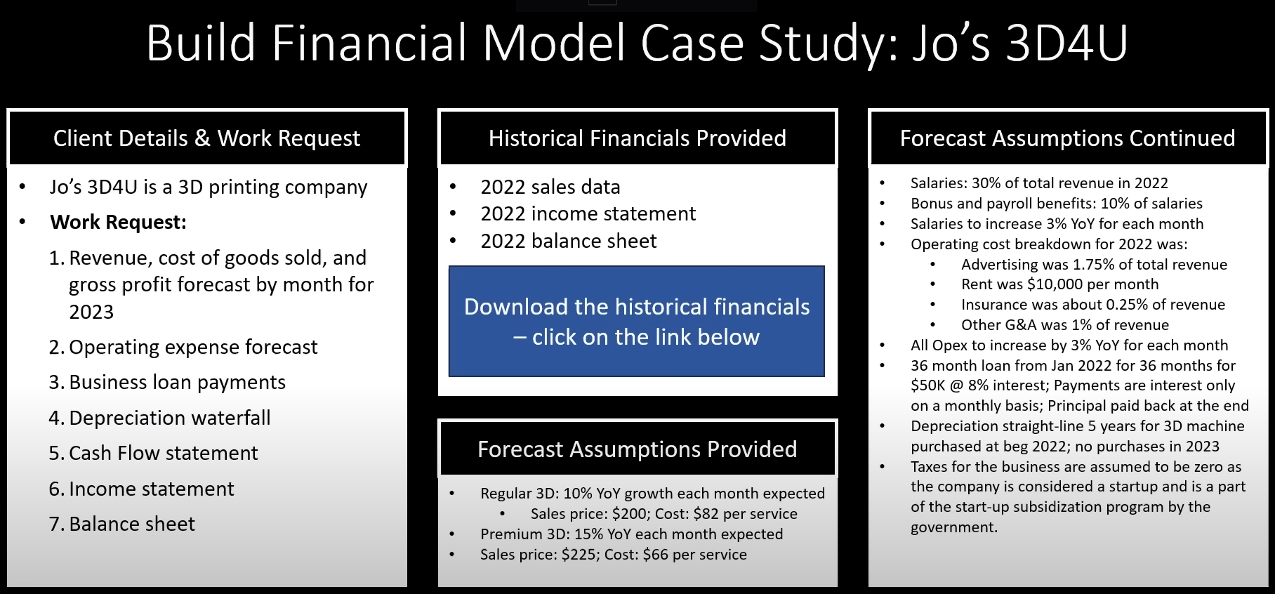

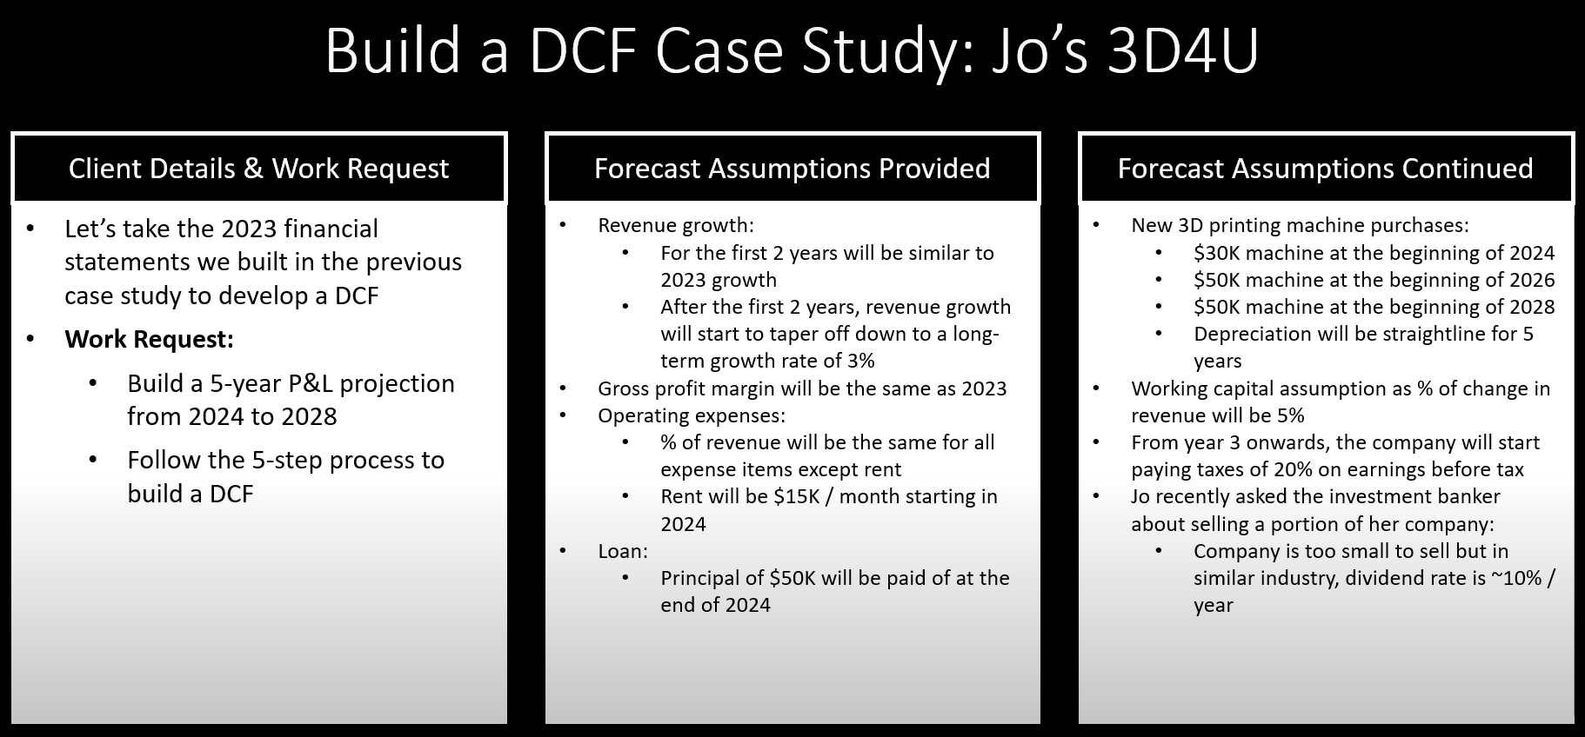

Summary Dashboard
 | Jo's 3D4U
 | DCF Summary Dashboard

 | Summary Output |  |  | 2022A | 2023A | 2024E | 2025E | 2026E | 2027E | 2028E
 | Total Revenue |  |  | $1.2M | $1.4M | $1.6M | $1.8M | $2.0M | $2.1M | $2.1M
 | Gross Profit Margin % |  |  | 61.4% | 63.0% | 62.0% | 62.2% | 62.2% | 62.3% | 62.3%
 | Net Income Margin % |  |  | 7.4% | 16.0% | 24.7% | 26.6% | 21.6% | 22.3% | 22.1%

Margin Trends %

 | DCF Sensitivity Table
 | Discount rate | 10%
 | Long-term growth rate | 3%

Discount Rate Inputs
 |  |  | Long-Term Growth Rate Inputs
 | Output (DCF): | $6.4M | 0% | 1% | 2% | 3% | 4% | 5% | 6% | 7%
 |  | 3% | $15.3M | $21.9M | $41.8M | #DIV/0! | -$37.8M | -$17.9M | -$11.2M | -$7.9M
 |  | 5% | $9.3M | $11.1M | $14.2M | $20.3M | $38.8M | #DIV/0! | -$34.9M | -$16.5M
 |  | 7% | $6.7M | $7.5M | $8.6M | $10.4M | $13.2M | $18.9M | $36.0M | #DIV/0!
 |  | 9% | $5.2M | $5.7M | $6.2M | $7.0M | $8.1M | $9.6M | $12.3M | $17.6M
 |  | 11% | $4.3M | $4.6M | $4.9M | $5.3M | $5.8M | $6.5M | $7.5M | $9.0M
 |  | 13% | $3.7M | $3.8M | $4.0M | $4.3M | $4.6M | $5.0M | $5.5M | $6.1M
 |  | 15% | $3.2M | $3.3M | $3.4M | $3.6M | $3.8M | $4.0M | $4.3M | $4.7M

Documentation:
 | Hard coded inputs are formatted blue, figures linked from another sheet is formatted green.

 | Discount rate is calculated in the appendix below.

 | WACC Calculation
 | Source of Finance | Volume | Rate of Return | Product
 | Debt | 50,000 | 8% | 3200
 | Equity | 391,751 | 10% | 39175
 | Sum | $441,751

 | WACC | 9.59%

